Bug Report
Bug ID | Test Case ID | Description & Enviroment | Data | Steps | EXPECTED | ACTUAL | STATUS | Evidence | Reporter
BUG_AE_INT_01 | TC_AE_INT_01 | Description: The user cannot logout after signing up and an error is shown. Enviroment: OS: Windows 10 Platform: Dell Laptop Browser: Chrome | Valid inputs | Steps: 1.Open browser 2. Navigate to url 'http://automationexercise.com' 3. Verify that home page is visible 4. Click 'Signup / Login' 5. Verify 'New User Signup!' is visible 6. Enter name and email 7. Click 'Signup' button" 8. Fill all mandatory fields in the account infomration page 9. Press create account 10. press continue 11. Click on logout on the top of the home page | The web app accepts all inputs and creates account successfully and the user can logout successfully as well. | An error is shown when the user tries to logout | New | 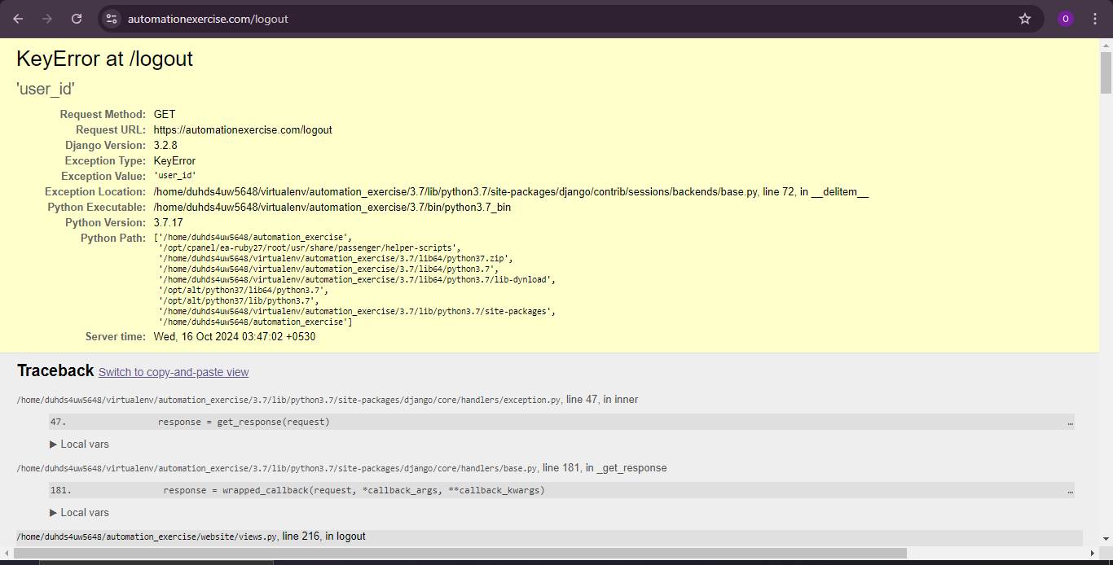 | Omneya Akmal
BUG_AE_INT_02 | TC_AE_INT_03 | Description: The user can add a zero quantity product and can successfully checkout and the payment of the item gets deducted from the card Enviroment: OS: Windows 10 Platform: Dell Laptop Browser: Chrome | Invalid quantity inputs | Steps: 1.Open browser 2. Navigate to url 'http://automationexercise.com' 3. Verify that home page is visible 4. navigate the home page and view men's shirt from H&M and change quantity product to 0 and add it to cart 5. Go to cart and checkout 6. Add card details and continue | The web app does not allow the user to add a zero quantity product to the cart and does not redirect the user to checkout | The web app accepts the quantity and checks the user out and deducts the payment | New | 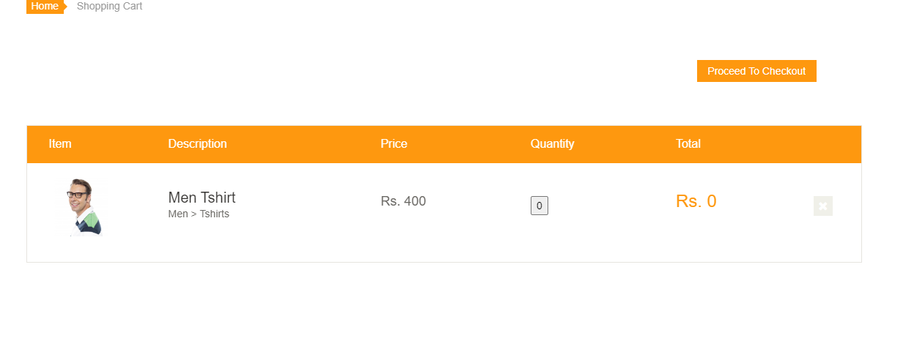 | Omneya Akmal
BUG_AE_INT_03 | TC_AE_INT_04 | Description: Thequantoty of products are not updated correctlly in the cart and the user can checkout with an invalid card Enviroment: OS: Windows 10 Platform: Dell Laptop Browser: Chrome | Invalid card data inputs | Steps: 1.Open browser 2. Navigate to url 'http://automationexercise.com' 3. Verify that home page is visible 4. navigate the home page and add an item from H&M and make quantity to 15 then add to cart then change quantity to 2 then delete item from cart then add the same item but change quantity to 100 then add 2 more items then go to cart and delete all items except 1 5. Checkout and enter invalid card data | The app updates the cart with all the changes that happen and does not allow the user to checkout unless the card data are valid | The app does not update the cart correctly and when the user changes quantity it does not refelct correctly, when adding a product to cart then view its details and change the quantity manually to 15 the cart shows 16 quantity The app also accepts invalid card data and checks the user out | New |  | Omneya Akmal
BUG_AE_INT_04 | TC_AE_INT_05 | Description: The UI is not consistent regarding the sizes and when hovering on a product a veil keeps nagging the user to add to cart where he/she can press add to cart easilly from the product's pic itself Enviroment: OS: Windows 10 Platform: Dell Laptop Browser: Chrome | Valid inputs | Steps: 1.Open browser 2. Navigate to url 'http://automationexercise.com' 3. Verify that home page is visible 4. navigate the home page and product page and add products to cart then checkout | The products are shown in a clear way and there is a consitency in the colors, sizes and no unneccessary obstacles in the way of navigation | The UI is not consistent regarding the sizes and when hovering on a product a veil keeps nagging the user to add to cart where he/she can press add to cart easilly from the product's pic itself | New | 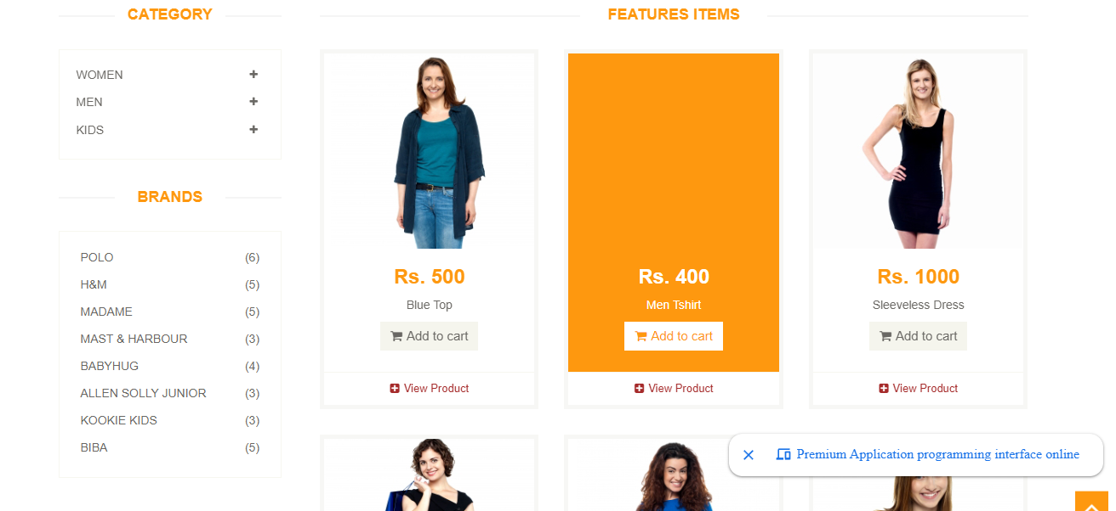 | Omneya Akmal

